15 - Regular Expressions
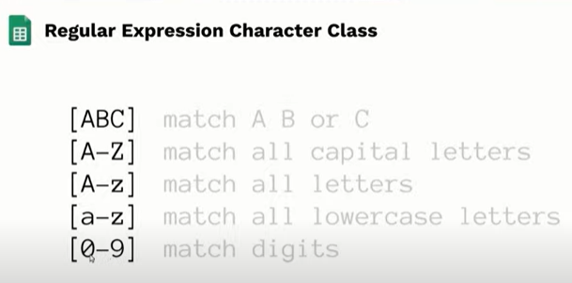
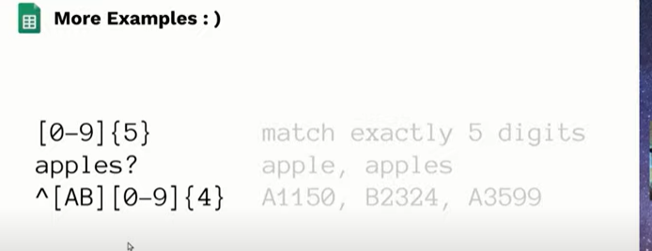
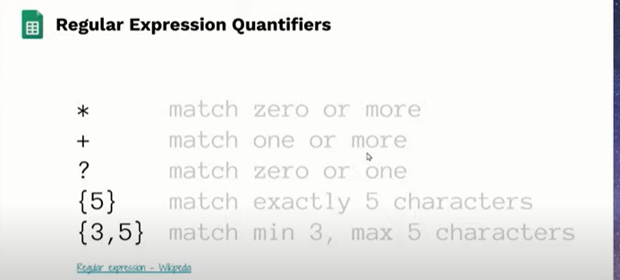
Regular Expressions
 |  |  |  |  |  | Extract
ssn | lastname | Report | ^M.+m$ | ^[ABC] | ^[^ABC] | [0-9].[0-9]{2} | [A-Z][a-z]+
000-01-0000 | Milgrom | Milgrom has 9.64 rating this year | TRUE | FALSE | TRUE | 9.64 | Milgrom
000-02-2222 | Adams | Adams has 9.89 rating this year | FALSE | TRUE | FALSE | 9.89 | Adams | ฉันชอบกินข้าว | ข้าว
109-87-6543 | Wood | Wood has 5.69 rating this year | FALSE | FALSE | TRUE | 5.69 | Wood | ฉัันชอบกินนำ้ | นำ้
109-87-6544 | Foster | Foster has 3.45 rating this year | FALSE | FALSE | TRUE | 3.45 | Foster | ฉันชอบกินพิซซ่า | พิซซ่า
111-12-1111 | Johnson | Johnson has 3.38 rating this year | FALSE | FALSE | TRUE | 3.38 | Johnson
123-45-6789 | Coulter | Coulter has 1.73 rating this year | FALSE | TRUE | FALSE | 1.73 | Coulter
222-23-2222 | Marlin | Marlin has 8.28 rating this year | FALSE | FALSE | TRUE | 8.28 | Marlin
222-52-5555 | Smith | Smith has 5.57 rating this year | FALSE | FALSE | TRUE | 5.57 | Smith
245-67-8910 | Johanson | Johanson has 9.56 rating this year | FALSE | FALSE | TRUE | 9.56 | Johanson
333-34-3333 | Manin | Manin has 1.17 rating this year | FALSE | FALSE | TRUE | 1.17 | Manin
333-43-4444 | Smith | Smith has 1.06 rating this year | FALSE | FALSE | TRUE | 1.06 | Smith
333-66-1234 | Brown | Brown has 3.51 rating this year | FALSE | TRUE | FALSE | 3.51 | Brown
335-55-5533 | Jones | Jones has 4.93 rating this year | FALSE | FALSE | TRUE | 4.93 | Jones
432-19-8765 | Bronson | Bronson has 9.15 rating this year | FALSE | TRUE | FALSE | 9.15 | Bronson
444-45-4444 | Frank | Frank has 5.35 rating this year | FALSE | FALSE | TRUE | 5.35 | Frank
464-64-4466 | Webster | Webster has 9.59 rating this year | FALSE | FALSE | TRUE | 9.59 | Webster
500-50-0505 | Rodriguez | Rodriguez has 0.51 rating this year | FALSE | FALSE | TRUE | 0.51 | Rodriguez
555-22-3333 | Rubin | Rubin has 6.22 rating this year | FALSE | FALSE | TRUE | 6.22 | Rubin
555-56-5555 | Charles | Charles has 9.04 rating this year | FALSE | TRUE | FALSE | 9.04 | Charles
612-99-1111 | Roberts | Roberts has 3.14 rating this year | FALSE | FALSE | TRUE | 3.14 | Roberts
625-62-6262 | Holmes | Holmes has 6.62 rating this year | FALSE | FALSE | TRUE | 6.62 | Holmes
767-74-7373 | Martin | Martin has 8.99 rating this year | FALSE | FALSE | TRUE | 8.99 | Martin
776-67-6666 | Adamson | Adamson has 3.65 rating this year | FALSE | TRUE | FALSE | 3.65 | Adamson
777-78-7777 | Marder | Marder has 7.37 rating this year | FALSE | FALSE | TRUE | 7.37 | Marder
925-45-7116 | Whitehead | Whitehead has 7.64 rating this year | FALSE | FALSE | TRUE | 7.64 | Whitehead
333-66-1234 | Brown |  | FALSE | TRUE | FALSE | #N/A | #N/A
109-87-6543 | Wood |  | FALSE | FALSE | TRUE | #N/A | #N/A

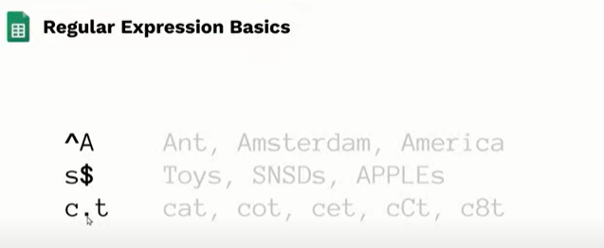
start with power end with money
 |  |  |  |  | .= match char one more

